Sheet1
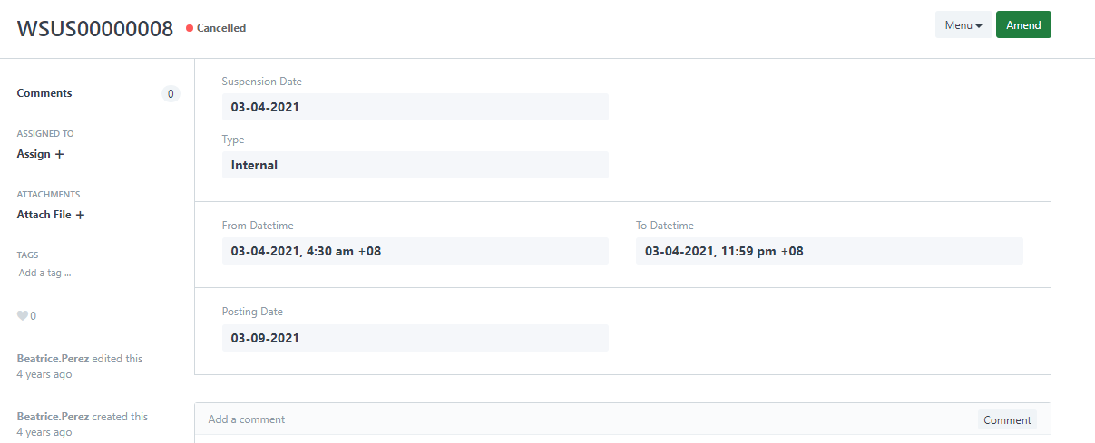
Code | Data Category | Retention Period | Commencement Term | Doctype | DocType: | Code | Employee ID | Employee Name | Status
DC1 | Personal Information | 2 year | Upon termination employment | Scheduled for Deletion | Employee termination | dc3 | 00-0052 | VARGAS, AUGUSTUS IBANEZ | PASSED
DC2 | Emergency Contact | 1 month | Upon termination employment | Scheduled for Deletion | Employee termination | dc1 | 20-0032 | Gamboa, Ron Phillip CLEOFAS | PASSED
DC3 | Employee Information | 2 year | Upon termination employment | Scheduled for Deletion | Emergency Contact | dc2 | 21-0053 | Royo, Jeezle Irish Mabilangan | PASSED
DC4 | Employment information | 10 years | Upon termination employment | Scheduled for Deletion | Emergency Contact | dc2 | 22-0059 | Bautista, Maria Kristine Aiza Saron | PASSED
DC5 | Tax documents | 10 years | Upon termination employment | Scheduled for Deletion | E-mail box, personal folders, user accounts applications | dc13 | 06-0393 | Manalo, June Marie Cabingan | PASSED
DC6 | Records related to job application procedure | 4 weeks without permission / 1 year with permission | Upon termination application procedure | DELETED DOCUMENT | DTR Problem Application | DTR00007034 | 90-0189 | ADVIENTO, EDITHA CARPO | PASSED
DC7 | Warnings and sanction | 2 years for isolated issues / 5 years | Upon issuing the warning / closing the investigation | DELETED DOCUMENT | Work Suspension Apply | WSUS00000003 | 90-0189 | ADVIENTO, EDITHA CARPO | NOT DELETED
DC7 | Documents & reports Speak Up procedure |  |  | DELETED DOCUMENT | Change Schedule Application | CSA00005853 | 89-0263 | BASBAS, LIGAYA BARRINUEVO | PASSED
DC8 | Camera surveillance for access control | 4 weeks | Upon creation date | DELETED DOCUMENT | Change Schedule Application | CSA00000346 | 90-0166 | PLATA JR, MAXIMINO PILI | PASSED
 | Camera surveillance for food quality2 | Shelf-life of product | Upon creation date | DELETED DOCUMENT | Leave Application | LAP00048437 | 89-0013 | CASUPANAN, ROLLY SORIANO | PASSED
 | Camera surveillance for internal investigation into fraud, theft etc. | 3 months | Upon closing the investigation | DELETED DOCUMENT | LB Entry |  | 89-0013 | CASUPANAN, ROLLY SORIANO | PASSED
DC9 | Logging data | 6 months | Upon creation date | DELETED DOCUMENT | Attendance Register | 44e1658413 | 21-0065 | Lorejo Jr., Rodrigo Rengalota | PASSED
DC10 | Data time registration | 2 year | Upon creation date | DELETED DOCUMENT | Leave Application | LAP00048435 | 22-0052 | Poyaoan, Allyssa Kyla Cleofas | PASSED
DC11 | Physical access control (badges) | 3 months | Upon creation date | Scheduled for Deletion | E-mail box, personal folders, user accounts applications |  | 21-0004 | PAALAN, LEO DELA CRUZ | PASSED
DC12 | Visitor registration | 2 year | Upon creation date | DELETED DOCUMENT | LB Entry | LBE85722 | 21-0065 | Lorejo Jr., Rodrigo Rengalota | PASSED
DC13 | E-mail box, personal folders, user accounts applications | 2 year | Upon termination employment | DELETED DOCUMENT | Work Suspension Apply | WSUS00000008 | 17-0296 | VALLE, KATRINA MARIE FERRER | NOT DELETED | ========
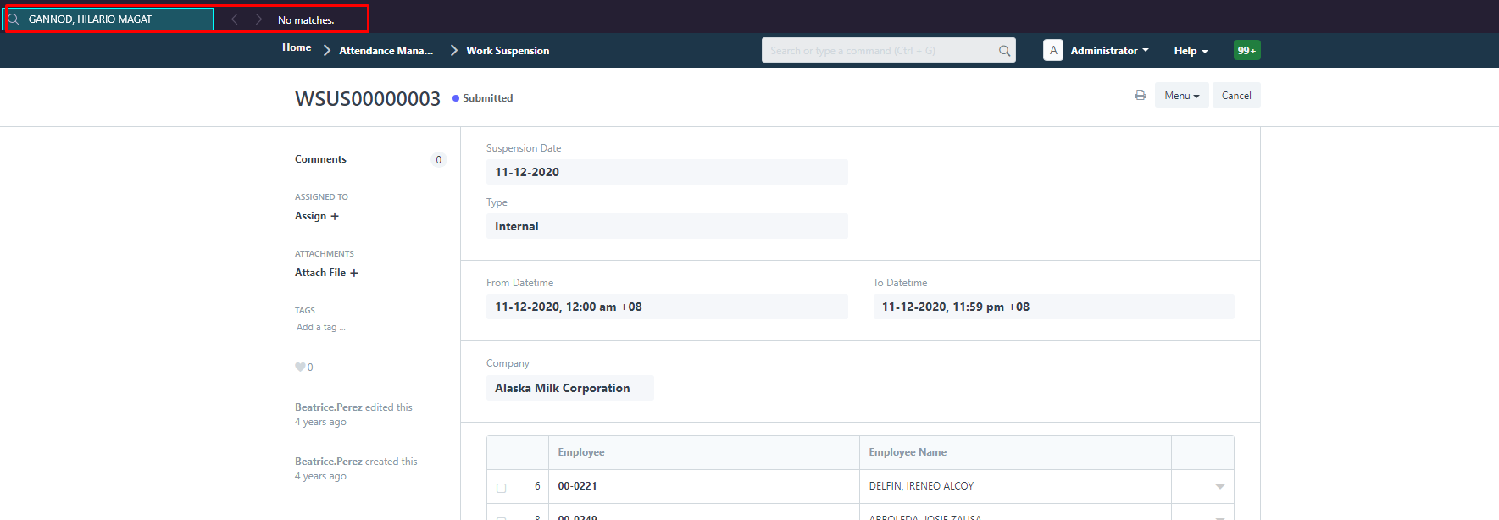
 |  |  |  | DELETED DOCUMENT | Work Suspension Apply | WSUS00000003 | 09-0097 | GANNOD, HILARIO MAGAT | NOT DELETED | ========
 | Sprint 4 |  |  | DELETED DOCUMENT | Change Schedule Application | CSA00006193 | 17-0306 | ABAD, MARIE CHRIS SANCHEZ | PASSED
 | Sprint 3 |  |  | Scheduled for Deletion | E-mail box, personal folders, user accounts applications |  | 17-0197 | OPENA, MINANDRO ELEUTERIO | PASSED
 | Sprint 2 |  |  | Scheduled for Deletion | Personal Information | dc1 | 21-0068 | TOLOMIA, CRIS MICHAEL SOLIS | PASSED
 | Sprint 1 |  |  | DELETED DOCUMENT | DTR Problem Application | DTR00002566 | 90-0166 | PLATA JR, MAXIMINO PILI | PASSED
 |  |  |  | DELETED DOCUMENT | DTR Problem Application | DTR00002888 | 90-0189 | ADVIENTO, EDITHA CARPO | PASSED

